Arkusz1
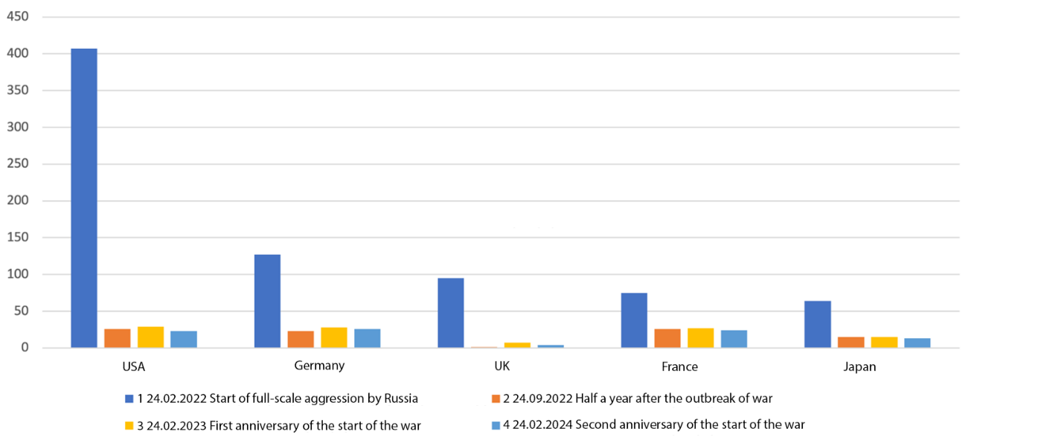
Histograms illustrating the reduction of countries’ engagement in the Russian market as a response to aggression. In each histogram, from left to right: the number of firms from the USA, Germany, the United Kingdom, France, and Japan.

